Zones
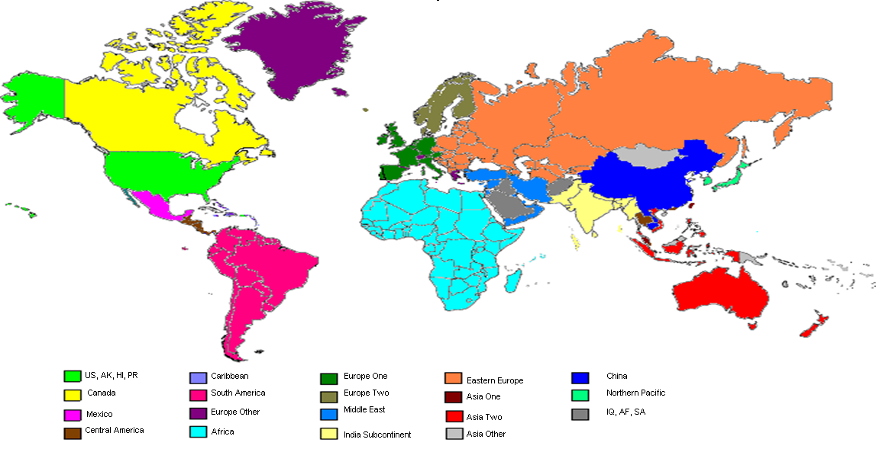
Zonal Matrix

 | Destination Sub-Region
Origin Country | Africa | Asia One | Asia Two | Asia Other | Canada | Caribbean | China | Central America | South America | Europe One | Europe Two | Europe Other | Eastern Europe | India Sub. | Middle East | Mexico | NPAC | US, AK, HI, PR | IQ, AF, SA
Argentina | M | K | K | M | I | I | K | I | H | K | K | K | L | M | M | J | K | I | M
Australia | M | B | B | G | K | L | B | L | L | K | K | L | L | L | L | K | D | J | M
Austria | N | L | L | M | J | M | L | M | M | O | O | O | P | L | L | L | L | I | N
Barbados | M | L | L | M | H | F | L | I | I | L | L | L | L | M | M | J | L | H | M
Belgium | N | L | L | M | J | M | L | M | M | O | O | O | P | L | L | L | L | I | N
Brazil | M | K | K | M | H | H | K | I | H | J | K | K | L | M | M | I | K | H | M
Canada | M | K | L | M | N/A | K | L | M | M | K | K | L | M | M | M | K | L | G | M
Chile | M | L | L | M | I | I | L | I | H | K | K | K | M | M | M | J | L | I | L
China | M | E | F | G | K | L | N/A | L | L | J | J | K | L | L | L | K | E | J | M
Colombia | M | L | L | M | G | I | L | H | H | K | L | K | L | M | M | H | L | G | M
Costa Rica | M | L | L | M | H | I | L | H | I | K | L | K | L | M | M | I | L | H | M
Denmark | N | M | M | M | L | N | L | N | N | P | P | P | P | M | M | M | M | L | N
Dominican Republic | M | L | L | M | G | F | L | I | I | K | K | K | L | M | M | H | L | F | H
Finland | N | M | M | N | L | N | L | N | N | P | P | P | P | M | M | M | M | L | N
France | N | L | L | M | J | M | L | M | M | O | O | O | P | L | L | L | L | I | N
Germany | N | L | L | M | J | M | L | M | M | O | O | O | P | L | L | L | L | I | N
Great Britain (U.K.) | N | L | L | M | J | M | L | M | M | O | O | O | P | L | L | L | L | I | N
Guatemala | M | L | L | M | I | I | L | H | I | K | L | K | M | M | M | I | L | I | M
Hong Kong | M | A | B | G | I | L | A | L | L | I | I | J | L | L | L | I | B | H | M
India | M | G | H | K | K | L | G | L | L | H | I | I | L | E | F | L | H | J | M
Indonesia | M | F | G | G | K | L | F | L | L | K | K | L | L | L | L | K | F | J | M
Ireland | N | L | L | M | J | M | L | M | M | O | O | O | P | L | L | L | L | I | N
Italy | N | L | L | M | J | M | L | M | M | O | O | O | P | L | L | L | L | I | N
Jamaica | M | L | M | M | H | F | L | I | I | L | M | L | L | M | M | J | L | H | M
Japan | M | B | C | G | I | L | B | L | L | J | J | K | L | L | L | I | B | H | M
Luxembourg | N | L | L | M | J | M | L | M | M | F | G | H | K | L | L | L | L | I | N
Malaysia | M | A | B | G | J | L | A | L | L | K | K | L | L | L | L | J | B | I | M
Mexico | M | J | L | M | D | G | J | H | H | I | J | I | K | M | M | N/A | J | D | M
Netherlands | N | L | L | M | J | M | L | M | M | O | O | O | P | L | L | L | L | I | N
New Zealand | M | D | B | G | K | L | D | L | L | K | K | L | L | L | L | K | E | J | M
Norway | N | M | M | N | L | N | L | M | N | P | P | P | P | M | M | M | M | L | N
Panama | M | L | L | M | H | I | L | H | I | K | L | K | L | M | M | I | L | H | M
Philippines | M | A | B | G | K | L | A | L | L | K | K | L | L | L | L | K | D | J | M
Poland | N | M | M | N | L | N | M | N | N | P | P | P | P | M | M | M | M | L | N
Singapore | M | A | B | G | J | L | A | L | L | K | K | L | L | L | L | J | A | I | M
South Korea | M | B | B | G | I | L | B | L | L | K | K | L | L | L | L | I | A | H | M
Spain | N | L | L | M | J | M | L | M | M | O | O | O | P | L | L | L | L | I | N
Sweden | N | M | M | M | L | N | L | N | N | P | P | P | P | M | M | M | M | L | N
Switzerland | N | M | M | N | L | N | L | N | N | P | P | P | P | M | M | M | M | L | N
Taiwan | M | A | B | G | I | L | A | L | L | K | K | L | L | L | L | I | A | H | M
Thailand | M | A | B | G | J | L | A | L | L | K | K | L | L | L | L | J | B | I | M
United Arab Emirates | M | G | H | K | K | L | G | L | L | H | I | I | L | E | F | L | H | J | M
United States, PR | L | F | H | I | B | G | F | H | G | E | G | G | L | G | I | B | F | N/A | L
Uruguay | M | L | L | M | I | I | L | I | H | K | M | K | L | M | M | J | L | I | M
Venezuela | M | L | L | M | G | I | L | H | H | K | L | K | L | M | M | H | L | G | M
Vietnam | M | C | G | G | K | L | C | L | L | K | K | L | L | L | L | K | F | J | M
Hungary | N | L | L | M | J | M | L | M | M | O | O | O | P | L | L | L | L | I | N
Czech republic | N | M | M | N | L | N | M | N | N | P | P | P | P | M | M | M | M | L | N

Sub-Region Definitions

Destination Sub-Region | Included Destination Countries |  |  |  |  |  |  |  |  | Destination Sub-Region |  | Included Destination Countries
Asia One | HK, MO, MY, SG, TH, TW |  |  |  |  |  |  |  |  | Europe One |  | AT, MC, VA, BE, DE, ES, FR, GB, IE, IT, LU, NL, PT
Asia Two | AU, ID, NZ, PH, VN |  |  |  |  |  |  |  |  | Europe Two |  | GL, DK, FI, FO, NO, SE ,HU, CZ
Asia Other | AS, BN, CK, FJ, FM, KH, KI, LA, MH, MM, MN, MP, NC, NR, NU, PF, PG, PW, SB, TL, TO, TV, VU, WF, WS |  |  |  |  |  |  |  |  | Eastern Europe |  | AL, AM, AZ, BA, BG, BY, CS,\ EE, GE, HR, KG, KZ, LT, LV, MD, ME, MK, PL, RO, RS, RU, SI, SK, TM, UA, UZ
NPAC | JP, KR |  |  |  |  |  |  |  |  | Europe Other |  | AD, GI, GR, IS, LI, MT, CH
South America | AR, BO, BR, CL, CO, EC, GF, GY, KN, LC, PE, PY, SR, UY, VE |  |  |  |  |  |  |  |  | Middle East |  | IL, PS, TR, AE, BH, CY, EG, IR, JO, KW, LB, OM, QA, SY, YE
Central America | BZ, CR, GT, HN, NI, PA, SV |  |  |  |  |  |  |  |  | India Subcontinent |  | BD, BT, IN, LK, MV, NP, PK
Caribbean | AG, AI, AN, AW, BB, BM, BS, DM, DO, GD, GP, HT, JM, KY, MQ, MS, TC, TT, VC, VG, VI |  |  |  |  |  |  |  |  | Africa |  | AO, BF, BI, BJ, BW, CD, CF, CG, CI, CM, CV, DJ, DZ, ER, ET, GA, GH, GM, GN, GQ, GW, KE, LR, LS, LY, MA, MG, ML, MR, MU, MW, MZ, NA, NE, NG, RE, RW, SC, SD, SL, SN, SO, SZ, TD, TG, TN, TZ, UG, ZA, ZM, ZW

Destination Zone Map

